Denso
FORWARD KINAMATICS |  |  |  |  |  |  |  |  |  |  | INVERSE KINAMATICS
 | IN |  |  |  |  |  | OUT |  |  |  |  | IN |  | OUT
 | degrees | radians
J1 * ( -170 / 170 ) | 0.01 | 0.0001745329252 |  |  |  | X | 449.99999193 |  |  |  | X | 449.99999193 | J1 | 0.01
J2 * ( -132 / 0 ) | -90 | -1.5707963268 |  |  |  | Y | 0.078537378789 |  |  |  | Y | 0.078537378789 | J2 | -90
J3 * ( 1 / 140 ) | 90 | 0 |  |  |  | Z | 694.98603737 |  |  |  | Z | 694.98603737 | J3 | 90
 | 0.01 | 0.0001745329252 |  |  |  | y | -89.98 | -1.5704472609 |  | -1.5704469342 | y | -89.98 | J4 | 0.010000000011 | 0.010000000011 | -179.99
 | 0.01 | 0.0001745329252 |  |  |  | p | 90.01 | 1.5709708597 |  | 1.5709705329 | p | 90.01 | J5 | 0.0099999999843 | 0.0099999999843 | -0.0099999999843 |  | WRIST CONF. | "F"
 | 0.01 | 3.1417671865 |  |  |  | r | -90.009998255 | -1.5709708293 |  | -1.5709705024 | r | -90.009998255 | J6 | 0.0099999999888 | 0.0099999999888 | -179.99 |  | QUADRANT | 1

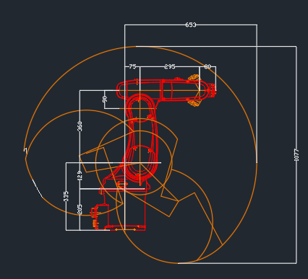
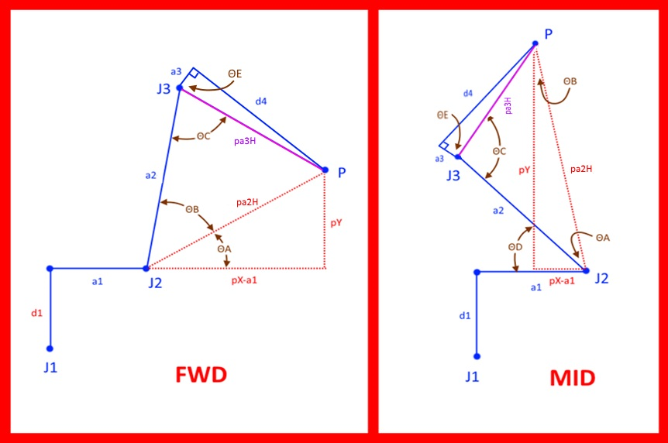
 | DH params |  |  |  |  |  |  |  |  |  |  |  |  | CALCULATE J2 AND J3 ANGLE ( note that only arm forward and arm mid are used. Arm back config not used and elbow back is not used - to flip robot center of wrist "P" back past center line of J1 would require arm confuration paramaters be attached to each move command )
 | joint | Θ | α | d | a |  | WORK FRAME |  | TOOL FRAME |  | CALCULATE J1 ANGLE
-90 | 1 | 0.0001745329252 | -1.5707963268 | 335 | 75 | X | 0 | X | 0 |  | J1 ∠ | 0.0001745329252 | 0.01
0 | 2 | -1.5707963268 | 0 | 0 | 360 | Y | 0 | Y | 0
-90 | 3 | 0 | 1.5707963268 | 0 | 0 | Z | 0 | Z | 0 |  |  | FWD | MID
90 | 4 | 0.0001745329252 | -1.5707963268 | -295 | 0 | yaw (x) | 0 | yaw (x) | 0 |  | pX | 370 | same
90 | 5 | 0.0001745329252 | 1.5707963268 | 0 | 0 | pitch (y) | 0 | pitch (y) | 0 |  | pY | 360 | same
180 | 6 | 3.1417671865 | 0 | -80 | 0 | roll (z) | 0 | roll (z) | 0 |  | pX-a1 | 295 | -295
 |  |  |  |  |  |  |  |  |  |  | pa2H | 465.42990879 | 465.42990879
 | WORK FRAME |  |  |  |  |  |  |  |  |  | pa3H | 295 | same
 | 1 | 0 | 0 | 0 |  |  |  |  |  |  | ΘA | 50.667285678 | 39.332714322
 | 0 | 1 | 0 | 0 |  |  |  |  |  |  | ΘB | 39.332714322 | -39.332714322
 | 0 | 0 | 1 | 0 |  | R 0-1 |  |  |  |  | ΘC | 90 | 90
 | 0 | 0 | 0 | 1 |  | 0.99999998477 | -1.0691437128E-20 | -0.00017453292431 | 74.999998858 |  | ΘD | na | 90
 |  |  |  |  |  | 0.00017453292431 | 6.1257421812E-17 | 0.99999998477 | 0.013089969324 |  | ΘE | 90 | same
 | J1 |  |  |  |  | 0 | -1 | 6.1257422745E-17 | 335 |  | J2 ∠ | -90 | -90
 | 0.99999998477 | -1.0691437128E-20 | -0.00017453292431 | 74.999998858 |  | 0 | 0 | 0 | 1 |  | J3 ∠ | 90 | 90
 | 0.00017453292431 | 6.1257421812E-17 | 0.99999998477 | 0.013089969324
 | 0 | -1 | 6.1257422745E-17 | 335 |  | R 0-2 |  |  |  |  | WORK FRAME |  |  |  |  |  |  |  |  | R 0-T
 | 0 | 0 | 0 | 1 |  | 6.126811325E-17 | 0.99999998477 | -0.00017453292431 | 74.999998858 |  | 1 | 0 | 0 | 0 |  |  |  |  |  | 0.00017447199551 | 0.00017456337542 | -0.99999996954 | 449.99999193
 |  |  |  |  |  | -6.1246730375E-17 | 0.00017453292431 | 0.99999998477 | 0.013089969323 |  | 0 | 1 | 0 | 0 |  |  |  |  |  | -0.00034909629708 | -0.99999992384 | -0.00017450245991 | 0.078537378789
 | J2 |  |  |  |  | 1 | -6.1257422745E-17 | 6.1257422745E-17 | 695 |  | 0 | 0 | 1 | 0 |  | R 0-1 |  |  |  | -0.99999992385 | 0.00034906584065 | 0.00017453292165 | 694.98603737
 | 6.1257422745E-17 | 1 | 0 | 2.2052672188E-14 |  | 0 | 0 | 0 | 1 |  | 0 | 0 | 0 | 1 |  | 0.99999998477 | -1.0691437128E-20 | -0.00017453292431 | 74.999998858 | 0 | 0 | 0 | 1
 | -1 | 6.1257422745E-17 | 0 | -360 |  |  |  |  |  |  |  |  |  |  |  | 0.00017453292431 | 6.1257421812E-17 | 0.99999998477 | 0.013089969323
 | 0 | 0 | 1 | 0 |  | R 0-3 |  |  |  |  | J1 |  |  |  |  | 0 | -1 | 6.1257422745E-17 | 335 | R 0-T offset by work frame
 | 0 | 0 | 0 | 1 |  | 6.126811325E-17 | -0.00017453292431 | -0.99999998477 | 74.999998858 |  | 0.99999998477 | -1.0691437128E-20 | -0.00017453292431 | 74.999998858 |  | 0 | 0 | 0 | 1 | -0.00017447199551 | 0.00017456337542 | -0.99999996954 | 449.99999193
 |  |  |  |  |  | -6.1246730375E-17 | 0.99999998477 | -0.00017453292431 | 0.013089969323 |  | 0.00017453292431 | 6.1257421812E-17 | 0.99999998477 | 0.013089969323 |  |  |  |  |  | -0.00034909629708 | -0.99999992384 | -0.00017450245991 | 0.078537378789
 | J3 |  |  |  |  | 1 | 6.1257422745E-17 | 6.1257422745E-17 | 695 |  | 0 | -1 | 6.1257422745E-17 | 335 |  | R 0-2 |  |  |  | -0.99999992385 | 0.00034906584065 | 0.00017453292165 | 694.98603737
 | 1 | 0 | 0 | 0 |  | 0 | 0 | 0 | 1 |  | 0 | 0 | 0 | 1 |  | 6.126811325E-17 | 0.99999998477 | -0.00017453292431 | 74.999998858 | 0 | 0 | 0 | 1
 | 0 | 6.1257422745E-17 | -1 | 0 |  |  |  |  |  |  |  |  |  |  |  | -6.1246730375E-17 | 0.00017453292431 | 0.99999998477 | 0.013089969323
 | 0 | 1 | 6.1257422745E-17 | 0 |  | R 0-4 |  |  |  |  | J2 |  |  |  |  | 1 | -6.1257422745E-17 | 6.1257422745E-17 | 695 | TOOL FRAME
 | 0 | 0 | 0 | 1 |  | -3.0461741608E-08 | 0.99999998477 | -0.00017453292166 | 369.99999436 |  | 6.1257422745E-17 | 1 | 0 | 2.2052672188E-14 |  | 0 | 0 | 0 | 1 | 1 | 0 | 0 | 0
 |  |  |  |  |  | 0.00017453292165 | 0.00017453292431 | 0.99999996954 | 0.064577181996 |  | -1 | 6.1257422745E-17 | 0 | -360 |  |  |  |  |  | 0 | 1 | 0 | 0
 | J4 |  |  |  |  | 0.99999998477 | -6.1268114183E-17 | -0.00017453292431 | 695 |  | 0 | 0 | 1 | 0 |  | R 0-3 |  |  |  | 0 | 0 | 1 | 0
 | 0.99999998477 | -1.0691437128E-20 | -0.00017453292431 | 0 |  | 0 | 0 | 0 | 1 |  | 0 | 0 | 0 | 1 |  | -1.8675808728E-16 | -0.00017453292431 | -0.99999998477 | 74.999998858 | 0 | 0 | 0 | 1
 | 0.00017453292431 | 6.1257421812E-17 | 0.99999998477 | 0 |  |  |  |  |  |  |  |  |  |  |  | -6.1290019114E-17 | 0.99999998477 | -0.00017453292431 | 0.013089969323
 | 0 | -1 | 6.1257422745E-17 | -295 |  | R 0-5 (center spherica wrist) |  |  |  |  | J3 |  |  |  |  | 1 | 6.1257422745E-17 | -1.8676878156E-16 | 695 | INVERT TOOL FRAME
 | 0 | 0 | 0 | 1 |  | 0.00017450245991 | -0.00017453292165 | -0.99999996954 | 369.99999436 |  | 1 | 1.5193446049E-32 | -2.480262043E-16 | 0 |  | 0 | 0 | 0 | 1 | 1 | 0 | 0 | 0
 |  |  |  |  |  | 0.00017456338074 | 0.99999996954 | -0.00017450245991 | 0.064577181996 |  | -2.480262043E-16 | 6.1257422745E-17 | -1 | 0 |  |  |  |  |  | 0 | 1 | 0 | 0
 | J5 |  |  |  |  | 0.99999996954 | -0.00017453292431 | 0.00017453292166 | 695 |  | 0 | 1 | 6.1257422745E-17 | 0 |  | R 0-3 transposed |  |  |  | 0 | 0 | 1 | 0
 | 0.99999998477 | -1.0691437128E-20 | 0.00017453292431 | 0 |  | 0 | 0 | 0 | 1 |  | 0 | 0 | 0 | 1 |  | -1.8675808728E-16 | -6.1290019114E-17 | 1 |  | 0 | 0 | 0 | 1
 | 0.00017453292431 | 6.1257421812E-17 | -0.99999998477 | 0 |  |  |  |  |  |  |  |  |  |  |  | -0.00017453292431 | 0.99999998477 | 6.1257422745E-17
 | 0 | 1 | 6.1257422745E-17 | 0 |  | R 0-6 |  |  |  |  |  |  |  |  |  | -0.99999998477 | -0.00017453292431 | -1.8676878156E-16 |  | R 0-6
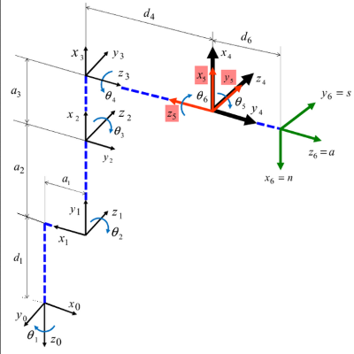
 | 0 | 0 | 0 | 1 |  | -0.00017447199551 | 0.00017456337542 | -0.99999996954 | 449.99999193 |  |  |  |  |  |  |  |  |  |  | -0.00017447199551 | 0.00017456337542 | -0.99999996954 | 449.99999193
 |  |  |  |  |  | -0.00034909629708 | -0.99999992384 | -0.00017450245991 | 0.078537378789 |  |  |  |  |  |  |  |  |  |  | -0.00034909629708 | -0.99999992384 | -0.00017450245991 | 0.078537378789
 | J6 |  |  |  |  | -0.99999992385 | 0.00034906584065 | 0.00017453292166 | 694.98603737 |  |  |  |  |  |  |  |  |  |  | -0.99999992385 | 0.00034906584065 | 0.00017453292165 | 694.98603737
 | -0.99999998477 | 0.00017453292431 | 0 | 0 |  | 0 | 0 | 0 | 1 |  |  |  |  |  |  |  |  |  |  | 0 | 0 | 0 | 1
 | -0.00017453292431 | -0.99999998477 | 0 | 0
 | 0 | 0 | 1 | -80 |  | R 0-T |  |  |  |  |  |  |  |  |  |  |  |  |  | REMOVE R 0-6
 | 0 | 0 | 0 | 1 |  | -0.00017447199551 | 0.00017456337542 | -0.99999996954 | 449.99999193 |  |  |  |  |  |  |  |  |  |  | -1 | 1.2251484549E-16 | 0 | 0
 |  |  |  |  |  | -0.00034909629708 | -0.99999992384 | -0.00017450245991 | 0.078537378789 |  |  |  |  |  |  |  |  |  |  | -1.2251484549E-16 | -1 | 0 | 0
 | TOOL FRAME |  |  |  |  | -0.99999992385 | 0.00034906584065 | 0.00017453292166 | 694.98603737 |  |  |  |  |  |  |  |  |  |  | 0 | 0 | 1 | 80
 | 1 | 0 | 0 | 0 |  | 0 | 0 | 0 | 1 |  |  |  |  |  |  |  |  |  |  | 0 | 0 | 0 | 1
 | 0 | 1 | 0 | 0
 | 0 | 0 | 1 | 0 |  |  |  |  |  |  |  |  |  |  |  |  |  |  |  | R 0-5 (center spherica wrist)
 | 0 | 0 | 0 | 1 |  |  |  |  |  |  |  |  |  |  |  |  |  |  |  | 0.00017447199551 | -0.00017456337542 | -0.99999996954 | 369.99999436
 |  |  |  |  |  | θ is the angle from x1 to x2 around z1 . |  |  |  |  |  |  |  |  |  |  |  |  |  | 0.00034909629708 | 0.99999992384 | -0.00017450245991 | 0.064577181996
 |  |  |  |  |  | α is the angle from z0 to z1 around x1 . |  |  |  |  |  |  |  |  |  |  |  |  |  | 0.99999992385 | -0.00034906584065 | 0.00017453292165 | 695
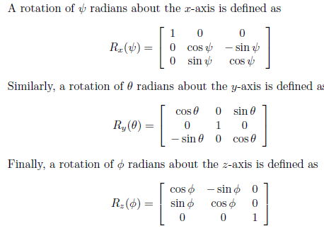
 |  |  |  |  |  |  |  |  |  |  |  |  |  |  |  |  |  |  |  | 0 | 0 | 0 | 1

 |  |  |  |  |  |  |  |  |  |  |  |  |  |  |  |  |  |  |  | R 3-6 (spherical wrist orietation)
 |  |  |  |  |  |  |  |  |  |  |  |  |  |  |  |  |  |  |  | 0.99999992385 | -0.00034906584065 | 0.00017453292166
 |  |  |  |  |  |  |  |  |  |  |  |  |  |  |  |  |  |  |  | 0.00034906584065 | 0.99999993908 | 3.0461741704E-08
 |  |  |  |  |  |  |  |  |  |  |  |  |  |  |  |  |  |  |  | -0.00017453292166 | 3.0461741635E-08 | 0.99999998477

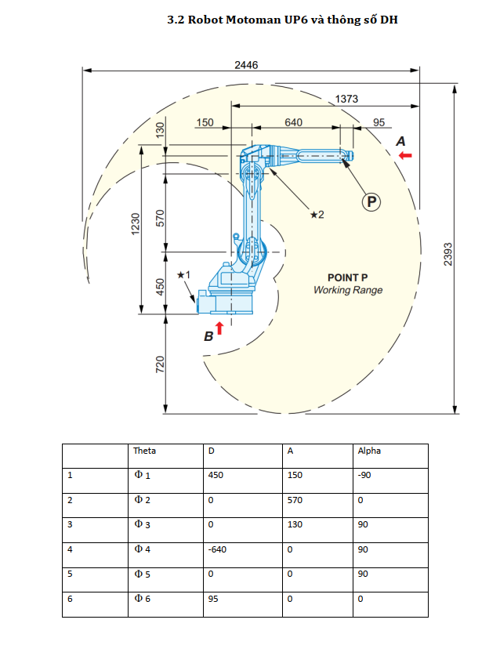

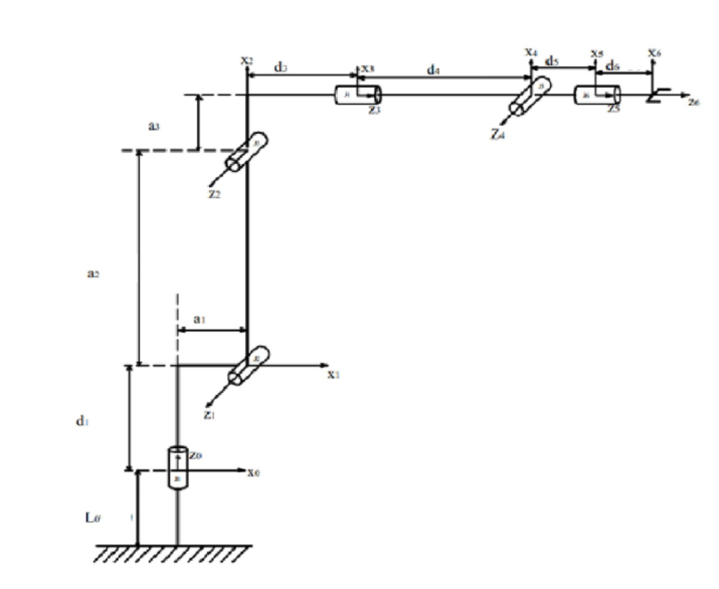

 |  |  | θ is the angle from x1 to x2 around z1 .
 |  |  | α is the angle from z0 to z1 around x1 .

TestDenso
FORWARD KINAMATICS |  |  |  |  |  |  |  |  |  |  |  |  | INVERSE KINAMATICS
 | IN |  |  |  |  |  | OUT |  |  |  |  |  |  | IN |  | OUT
 | degrees | radians |  |  |  |  |  |  |  |  |  | 16 digits OUT_
J1 * ( -170 / 170 ) | 0.01 | 0.0001745329252 |  |  |  | X | 449.99999193 |  |  |  |  | 0.0001745329251993 | X | 449.99999193 | J1 | 0.01
J2 * ( -132 / 0 ) | -90 | -1.5707963268 |  |  |  | Y | 0.078537378789 |  |  |  |  | -1.57079632679489660000000000 | Y | 0.078537378789 | J2 | -90
J3 * ( 1 / 140 ) | 90 | 0 |  |  |  | Z | 694.98603737 |  |  |  |  | 1.5707963267948963 | Z | 694.98603737 | J3 | 90
 | 0.01 | 0.0001745329252 |  |  |  | y | -89.98 | -1.5704472609 |  |  |  | 0.0001745329253952 | y | -89.98 | J4 | 0.010000000011 | 0.010000000011 | -179.99
 | 0.01 | 0.0001745329252 |  |  |  | p | 90.01 | 1.5709708597 |  |  |  | 0.0001745329249251 | p | 90.01 | J5 | 0.0099999999843 | 0.0099999999843 | -0.0099999999843 |  | WRIST CONF. | "F"
 | 0.01 | 3.1417671865 |  |  |  | r | -90.009998255 | -1.5709708293 |  |  |  | 0.0001745329250038 | r | -90.009998255 | J6 | 0.0099999999888 | 0.0099999999888 | -179.99 |  | QUADRANT | 1
 | 460
 | DH params |  |  |  |  |  |  |  |  |  |  |  |  |  |  | CALCULATE J2 AND J3 ANGLE ( note that only arm forward and arm mid are used. Arm back config not used and elbow back is not used - to flip robot center of wrist "P" back past center line of J1 would require arm confuration paramaters be attached to each move command )
 | joint | Θ | α | d | a |  | WORK FRAME |  | TOOL FRAME |  |  |  | CALCULATE J1 ANGLE
-90 | 1 | 0.0001745329252 | -1.5707963268 | 335 | 75 | X | 0 | X | 0 |  |  |  | J1 ∠ | 0.0001745329252 | 0.01
0 | 2 | -1.5707963268 | 0 | 0 | 270 | Y | 0 | Y | 0
-90 | 3 | 0 | 1.5707963268 | 0 | 90 | Z | 0 | Z | 0 |  |  |  |  | FWD | MID
90 | 4 | 0.0001745329252 | -1.5707963268 | -295 | 0 | yaw (x) | 0 | yaw (x) | 0 |  |  |  | pX | 370 | same
90 | 5 | 0.0001745329252 | 1.5707963268 | 0 | 0 | pitch (y) | 0 | pitch (y) | 0 |  |  |  | pY | 360 | same
180 | 6 | 3.1417671865 | 0 | -80 | 0 | roll (z) | 0 | roll (z) | 0 |  |  |  | pX-a1 | 295 | -295
 |  |  |  |  |  |  |  |  |  |  |  |  | pa2H | 465.42990879 | 465.42990879
 | WORK FRAME |  |  |  |  |  |  |  |  |  |  |  | pa3H | 308.42341027 | same
 | 1 | 0 | 0 | 0 |  |  |  |  |  |  |  |  | ΘA | 50.667285678 | 36.321438695
 | 0 | 1 | 0 | 0 |  |  |  |  |  |  |  |  | ΘB | 39.332714322 | -39.332714322
 | 0 | 0 | 1 | 0 |  | R 0-1 |  |  |  |  |  |  | ΘC | 90 | 90
 | 0 | 0 | 0 | 1 |  | 0.99999998477 | -1.0691437128E-20 | -0.00017453292431 | 74.999998858 |  |  |  | ΘD | na | 93.011275626
 |  |  |  |  |  | 0.00017453292431 | 6.1257421812E-17 | 0.99999998477 | 0.013089969324 |  |  |  | ΘE | 73.033851891 | same
 | J1 |  |  |  |  | 0 | -1 | 6.1257422745E-17 | 335 |  |  |  | J2 ∠ | -90 | -86.988724374
 | 0.99999998477 | -1.0691437128E-20 | -0.00017453292431 | 74.999998858 |  | 0 | 0 | 0 | 1 |  |  |  | J3 ∠ | 90 | 90
 | 0.00017453292431 | 6.1257421812E-17 | 0.99999998477 | 0.013089969324
 | 0 | -1 | 6.1257422745E-17 | 335 |  | R 0-2 |  |  |  |  |  |  | WORK FRAME |  |  |  |  |  |  |  |  | R 0-T
 | 0 | 0 | 0 | 1 |  | 6.126811325E-17 | 0.99999998477 | -0.00017453292431 | 74.999998858 |  |  |  | 1 | 0 | 0 | 0 |  |  |  |  |  | 0.00017447199551 | 0.00017456337542 | -0.99999996954 | 449.99999193
 |  |  |  |  |  | -6.1246730375E-17 | 0.00017453292431 | 0.99999998477 | 0.013089969323 |  |  |  | 0 | 1 | 0 | 0 |  |  |  |  |  | -0.00034909629708 | -0.99999992384 | -0.00017450245991 | 0.078537378789
 | J2 |  |  |  |  | 1 | -6.1257422745E-17 | 6.1257422745E-17 | 605 |  |  |  | 0 | 0 | 1 | 0 |  | R 0-1 |  |  |  | -0.99999992385 | 0.00034906584065 | 0.00017453292165 | 694.98603737
 | 6.1257422745E-17 | 1 | 0 | 1.6539504141E-14 |  | 0 | 0 | 0 | 1 |  |  |  | 0 | 0 | 0 | 1 |  | 0.99999998477 | -1.0691437128E-20 | -0.00017453292431 | 74.999998858 | 0 | 0 | 0 | 1
 | -1 | 6.1257422745E-17 | 0 | -270 |  |  |  |  |  |  |  |  |  |  |  |  |  | 0.00017453292431 | 6.1257421812E-17 | 0.99999998477 | 0.013089969323
 | 0 | 0 | 1 | 0 |  | R 0-3 |  |  |  |  |  |  | J1 |  |  |  |  | 0 | -1 | 6.1257422745E-17 | 335 | R 0-T offset by work frame
 | 0 | 0 | 0 | 1 |  | 6.126811325E-17 | -0.00017453292431 | -0.99999998477 | 74.999998858 |  |  | -1.570796326794897 | 0.99999998477 | -1.0691437128E-20 | -0.00017453292431 | 74.999998858 |  | 0 | 0 | 0 | 1 | -0.00017447199551 | 0.00017456337542 | -0.99999996954 | 449.99999193
 |  |  |  |  |  | -6.1246730375E-17 | 0.99999998477 | -0.00017453292431 | 0.013089969323 |  |  |  | 0.00017453292431 | 6.1257421812E-17 | 0.99999998477 | 0.013089969323 |  |  |  |  |  | -0.00034909629708 | -0.99999992384 | -0.00017450245991 | 0.078537378789
 | J3 |  |  |  |  | 1 | 6.1257422745E-17 | 6.1257422745E-17 | 695 |  |  | -1.5707963268 | 0 | -1 | 6.1257422745E-17 | 335 |  | R 0-2 |  |  |  | -0.99999992385 | 0.00034906584065 | 0.00017453292165 | 694.98603737
 | 1 | 0 | 0 | 90 |  | 0 | 0 | 0 | 1 |  |  |  | 0 | 0 | 0 | 1 |  | 6.126811325E-17 | 0.99999998477 | -0.00017453292431 | 74.999998858 | 0 | 0 | 0 | 1
 | 0 | 6.1257422745E-17 | -1 | 0 |  |  |  |  |  |  |  |  |  |  |  |  |  | -6.1246730375E-17 | 0.00017453292431 | 0.99999998477 | 0.013089969323
 | 0 | 1 | 6.1257422745E-17 | 0 |  | R 0-4 |  |  |  |  |  |  | J2 |  |  |  |  | 1 | -6.1257422745E-17 | 6.1257422745E-17 | 605 | TOOL FRAME
 | 0 | 0 | 0 | 1 |  | -3.0461741608E-08 | 0.99999998477 | -0.00017453292166 | 369.99999436 |  |  | 6.1257422745E-17 | 6.1257422745E-17 | 1 | 0 | 1.6539504141E-14 |  | 0 | 0 | 0 | 1 | 1 | 0 | 0 | 0
 |  |  |  |  |  | 0.00017453292165 | 0.00017453292431 | 0.99999996954 | 0.064577181996 |  |  | 6.1257422745E-17 | -1 | 6.1257422745E-17 | 0 | -270 |  |  |  |  |  | 0 | 1 | 0 | 0
 | J4 |  |  |  |  | 0.99999998477 | -6.1268114183E-17 | -0.00017453292431 | 695 |  |  |  | 0 | 0 | 1 | 0 |  | R 0-3 |  |  |  | 0 | 0 | 1 | 0
 | 0.99999998477 | -1.0691437128E-20 | -0.00017453292431 | 0 |  | 0 | 0 | 0 | 1 |  |  | -3.4914562561E-15 | 0 | 0 | 0 | 1 |  | -1.8675808728E-16 | -0.00017453292431 | -0.99999998477 | 74.999998858 | 0 | 0 | 0 | 1
 | 0.00017453292431 | 6.1257421812E-17 | 0.99999998477 | 0 |  |  |  |  |  |  |  | -1.5707962887 |  |  |  |  |  | -6.1290019114E-17 | 0.99999998477 | -0.00017453292431 | 0.013089969323
 | 0 | -1 | 6.1257422745E-17 | -295 |  | R 0-5 (center spherica wrist) |  |  |  |  |  | -0.027415567117 | J3 |  |  |  |  | 1 | 6.1257422745E-17 | -1.8676878156E-16 | 695 | INVERT TOOL FRAME
 | 0 | 0 | 0 | 1 |  | 0.00017450245991 | -0.00017453292165 | -0.99999996954 | 369.99999436 |  |  |  | 1 | 1.5193446049E-32 | -2.480262043E-16 | 90 |  | 0 | 0 | 0 | 1 | 1 | 0 | 0 | 0
 |  |  |  |  |  | 0.00017456338074 | 0.99999996954 | -0.00017450245991 | 0.064577181996 |  |  | 3.8057616675E-08 | -2.480262043E-16 | 6.1257422745E-17 | -1 | -2.2322358387E-14 |  |  |  |  |  | 0 | 1 | 0 | 0
 | J5 |  |  |  |  | 0.99999996954 | -0.00017453292431 | 0.00017453292166 | 695 |  |  |  | 0 | 1 | 6.1257422745E-17 | 0 |  | R 0-3 transposed |  |  |  | 0 | 0 | 1 | 0
 | 0.99999998477 | -1.0691437128E-20 | 0.00017453292431 | 0 |  | 0 | 0 | 0 | 1 |  |  |  | 0 | 0 | 0 | 1 |  | -1.8675808728E-16 | -6.1290019114E-17 | 1 |  | 0 | 0 | 0 | 1
 | 0.00017453292431 | 6.1257421812E-17 | -0.99999998477 | 0 |  |  |  |  |  |  |  |  |  |  |  |  |  | -0.00017453292431 | 0.99999998477 | 6.1257422745E-17
 | 0 | 1 | 6.1257422745E-17 | 0 |  | R 0-6 |  |  |  |  |  |  |  |  |  |  |  | -0.99999998477 | -0.00017453292431 | -1.8676878156E-16 |  | R 0-6
 | 0 | 0 | 0 | 1 |  | -0.00017447199551 | 0.00017456337542 | -0.99999996954 | 449.99999193 |  |  |  |  |  |  |  |  |  |  |  |  | -0.00017447199551 | 0.00017456337542 | -0.99999996954 | 449.99999193
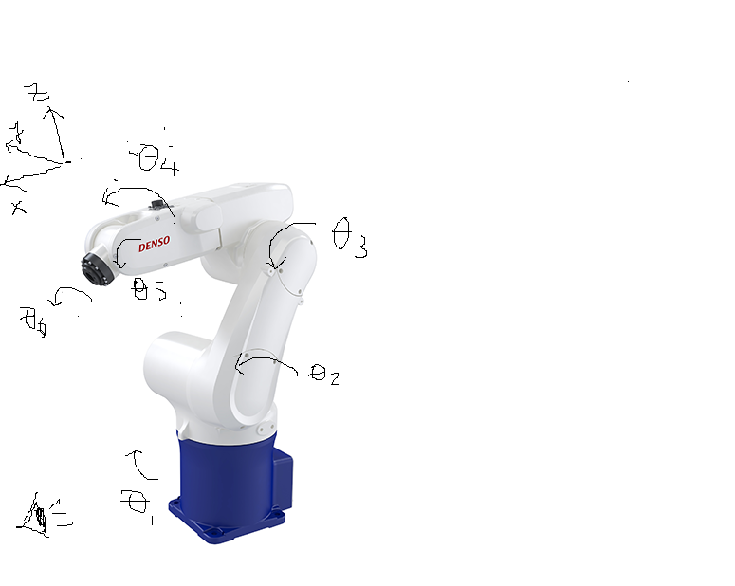
 |  |  |  |  |  | -0.00034909629708 | -0.99999992384 | -0.00017450245991 | 0.078537378789 |  |  |  |  |  |  |  |  |  |  |  |  | -0.00034909629708 | -0.99999992384 | -0.00017450245991 | 0.078537378789
 | J6 |  |  |  |  | -0.99999992385 | 0.00034906584065 | 0.00017453292166 | 694.98603737 |  |  |  |  |  |  |  |  |  |  |  |  | -0.99999992385 | 0.00034906584065 | 0.00017453292165 | 694.98603737
 | -0.99999998477 | 0.00017453292431 | 0 | 0 |  | 0 | 0 | 0 | 1 |  |  |  |  |  |  |  |  |  |  |  |  | 0 | 0 | 0 | 1
 | -0.00017453292431 | -0.99999998477 | 0 | 0
 | 0 | 0 | 1 | -80 |  | R 0-T |  |  |  |  |  |  |  |  |  |  |  |  |  |  |  | REMOVE R 0-6
 | 0 | 0 | 0 | 1 |  | -0.00017447199551 | 0.00017456337542 | -0.99999996954 | 449.99999193 |  |  |  |  |  |  |  |  |  |  |  |  | -1 | 1.2251484549E-16 | 0 | 0
 |  |  |  |  |  | -0.00034909629708 | -0.99999992384 | -0.00017450245991 | 0.078537378789 |  |  |  |  |  |  |  |  |  |  |  |  | -1.2251484549E-16 | -1 | 0 | 0
 | TOOL FRAME |  |  |  |  | -0.99999992385 | 0.00034906584065 | 0.00017453292166 | 694.98603737 |  |  |  |  |  |  |  |  |  |  |  |  | 0 | 0 | 1 | 80
 | 1 | 0 | 0 | 0 |  | 0 | 0 | 0 | 1 |  |  |  |  |  |  |  |  |  |  |  |  | 0 | 0 | 0 | 1 | θ is the angle from x1 to x2 around z1 .
 | 0 | 1 | 0 | 0 |  |  |  |  |  |  |  |  |  |  |  |  |  |  |  |  |  |  |  |  |  | α is the angle from z0 to z1 around x1 .
 | 0 | 0 | 1 | 0 |  |  |  |  |  |  |  |  |  |  |  |  |  |  |  |  |  | R 0-5 (center spherica wrist)
 | 0 | 0 | 0 | 1 |  |  |  |  |  |  |  |  |  |  |  |  |  |  |  |  |  | 0.00017447199551 | -0.00017456337542 | -0.99999996954 | 369.99999436
 |  |  |  |  |  | θ is the angle from x1 to x2 around z1 . |  |  |  |  |  |  |  |  |  |  |  |  |  |  |  | 0.00034909629708 | 0.99999992384 | -0.00017450245991 | 0.064577181996
 |  |  |  |  |  | α is the angle from z0 to z1 around x1 . |  |  |  |  |  |  |  |  |  |  |  |  |  |  |  | 0.99999992385 | -0.00034906584065 | 0.00017453292165 | 695
 |  |  |  |  |  |  |  |  |  |  |  |  |  |  |  |  |  |  |  |  |  | 0 | 0 | 0 | 1

 |  |  |  |  |  | 0 |  |  |  |  |  |  |  |  |  |  |  |  |  |  |  | R 3-6 (spherical wrist orietation)
 |  |  |  |  |  | 90 |  |  |  |  |  |  |  |  |  |  |  |  |  |  |  | 0.99999992385 | -0.00034906584065 | 0.00017453292166
 |  |  |  |  |  | 0 |  |  |  |  |  |  |  |  |  |  |  |  |  |  |  | 0.00034906584065 | 0.99999993908 | 3.0461741704E-08
 |  |  |  |  |  | 0 |  |  |  |  |  |  |  |  |  |  |  |  |  |  |  | -0.00017453292166 | 3.0461741635E-08 | 0.99999998477
 |  |  |  |  |  | 0
 |  |  |  |  |  | 180

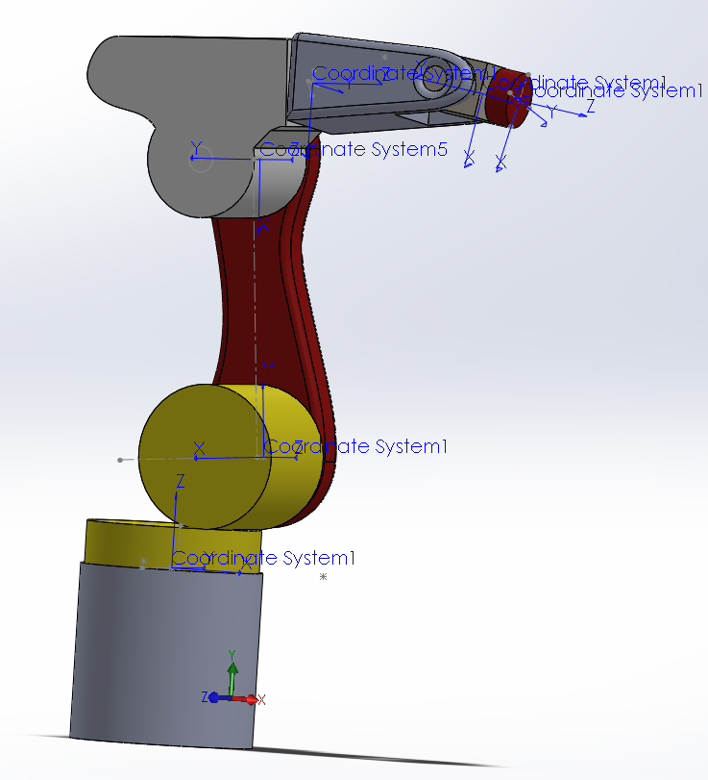

 |  |  |  |  |  |  | joint | Θ | α | a | d
 |  |  |  |  |  |  | 1 | 0.0001745329252 | -1.5707963268 | 75 | 335
 |  |  |  |  |  |  | 2 | -1.5707963268 | 0 | 270 | 0
 |  |  |  |  |  |  | 3 | 0 | 1.5707963268 | 90 | 0
 |  |  |  |  |  |  | 4 | 0.0001745329252 | -1.5707963268 | 0 | -295
 |  |  |  |  |  |  | 5 | 0.0001745329252 | 1.5707963268 | 0 | 0
 |  |  |  |  |  |  | 6 | 3.1417671865 | 0 | 0 | -80

Linear
FORWARD KINAMATICS |  |  |  |  |  |  |  |  |  |  |  |  | INVERSE KINAMATICS
 | IN |  |  |  |  |  | OUT |  |  |  |  |  |  | IN |  | OUT
 | mm | mm |  |  |  |  |  |  |  |  |  | 16 digits OUT_
mm | 0 | 0 |  |  |  | X | 284.14852547 |  |  |  |  | -1.3572050648018619 | X | 284.14852547 | J1 | -77.762122147
J2 * ( -132 / 0 ) | degrees | radians |  |  |  | Y | 80.000138406 |  |  |  |  | -0.59019598290287230000000000 | Y | 80.000138406 | J2 | -33.815738906
J3 * ( 1 / 140 ) | -90 | 1.5707963268 |  |  |  | Z | 630.01142669 |  |  |  |  | 2.2144282764954070 | Z | 630.01142669 | J3 | 126.87739428
 | 90 | 3.1415926536 |  |  |  | y | 0.59292609727 | 0.010348512618 |  |  |  | 1.3064326974163274 | y | 0.59292609727 | J4 | 74.85307978 | 74.85307978 | -105.14692022
 | 0.01 | 0.0001745329252 |  |  |  | p | 0.5829588124 | 0.01017455068 |  |  |  | 3.0658043430981770 | p | 0.5829588124 | J5 | 175.65764967 | 175.65764967 | -175.65764967 |  | WRIST CONF. | "F"
 | 0.01 | 0.0001745329252 |  |  |  | r | 90.009828467 | 1.5709678659 |  |  |  | 1.5060692757856522 | r | 90.009828467 | J6 | 86.291413157 | 86.291413157 | -93.708586843 |  | QUADRANT | 1
 | 0.01 | 0.01
 | DH params |  |  |  |  |  |  |  |  |  |  |  |  |  |  | CALCULATE J2 AND J3 ANGLE ( note that only arm forward and arm mid are used. Arm back config not used and elbow back is not used - to flip robot center of wrist "P" back past center line of J1 would require arm confuration paramaters be attached to each move command )
 | joint | Θ | α | d | a |  | WORK FRAME |  | TOOL FRAME |  |  |  | CALCULATE J1 ANGLE
 | 0 | 0 | 1.5707963268 | 0 | 0 | X | 0 | X | 0 |  |  |  | J1 ∠ | -1.3572050648 | -77.762122147
-90 | 1 | 1.5707963268 | -1.5707963268 | 335 | 75 | Y | 0 | Y | 80
0 | 2 | 3.1415926536 | 0 | 0 | 270 | Z | 0 | Z | 0 |  |  |  |  | FWD | MID
-90 | 3 | 0.0001745329252 | 1.5707963268 | 0 | 90 | yaw (x) | 0 | yaw (x) | 0 |  |  |  | pX | 373.43996708 | same
 | 4 | 0.0001745329252 | -1.5707963268 | -295 | 0 | pitch (y) | 0 | pitch (y) | 0 |  |  |  | pY | -149.12443411 | same
90 | 5 | 0.01 | 1.5707963268 | 0 | 0 | roll (z) | 90 | roll (z) | 0 |  |  |  | pX-a1 | 298.43996708 | -298.43996708
180 | 6 | 0 | 0 | -80 | 0 |  |  |  |  |  |  |  | pa2H | 333.62330674 | 333.62330674
 |  |  |  |  |  |  |  |  |  |  |  |  | pa3H | 308.42341027 | same
 | WORK FRAME |  |  |  |  | R L-0 |  |  |  |  |  |  | ΘA | -26.550374107 | 57.356045021
 | 6.1257422745E-17 | -1 | 0 | 0 |  | 6.1257422745E-17 | -6.1257422745E-17 | 1 | 0 |  |  |  | ΘB | 60.366113013 | 63.449625893
 | 1 | 6.1257422745E-17 | 0 | 0 |  | 1 | 3.7524718414E-33 | -6.1257422745E-17 | 0 |  |  |  | ΘC | 126.87739428 | 126.87739428
 | -1 | 0 | 1 | 0 |  | -1 | 1 | 6.1257422745E-17 | 0 |  |  |  | ΘD | na | -30.805670914
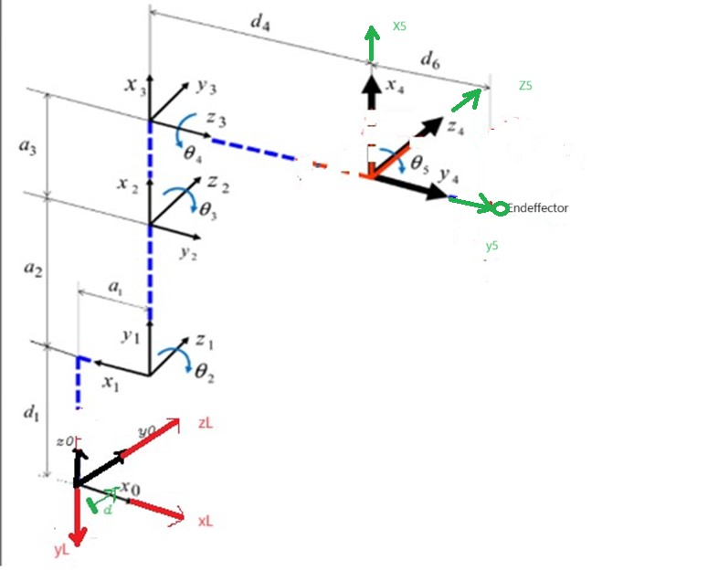
 | 0 | 0 | 0 | 1 |  | 0 | 0 | 0 | 1 |  |  |  | ΘE | 73.033851891 | same
 |  |  |  |  |  |  |  |  |  |  |  |  | J2 ∠ | -33.815738906 | -210.80567091
 | J0 |  |  |  |  | R 0-1 |  |  |  |  |  |  | J3 ∠ | 126.87739428 | 126.87739428
 | 1 | 0 | 0 | 0 |  | -1 | -7.5049436828E-33 | -1.2251484549E-16 | -75
 | 0 | 6.1257422745E-17 | -1 | 0 |  | 1.2251484549E-16 | -6.1257422745E-17 | -1 | 9.1886134118E-15 |  |  |  | WORK FRAME |  |  |  |  |  |  |  |  | R 0-T
 | 0 | 1 | 6.1257422745E-17 | 0 |  | -6.1257422745E-17 | -1 | 1 | 335 |  |  |  | 6.1257422745E-17 | -1 | 0 | 0 |  |  |  |  |  | -0.010519322047 | 0.99989290724 | 0.010174374984 | 284.14852547
 | 0 | 0 | 0 | 1 |  | 0 | 0 | 0 | 1 |  |  |  | 1 | 6.1257422745E-17 | 0 | 0 |  |  |  |  |  | 0.99994466486 | -0.010519848802 | -1.7453032005E-06 | 80.000138406
 |  |  |  |  |  |  |  |  |  |  |  |  | -1 | 0 | 1 | 0 |  | R 0-1 |  |  |  | 0.00010528777019 | 0.010173830343 | -0.99994823971 | 630.01142669
 | J1 |  |  |  |  | R 0-2 |  |  |  |  |  |  | 0 | 0 | 0 | 1 |  | 0.97727597531 | -1.2984791844E-17 | -0.21197091328 | 73.295698148 | 0 | 0 | 0 | 1
 | 6.1257422745E-17 | -6.1257422745E-17 | -1 | 4.5943067059E-15 |  | 1 | 1.2251484549E-16 | -1.2251484549E-16 | 195 |  |  |  |  |  |  |  |  | 0.21197091328 | 5.9865407559E-17 | 0.97727597531 | 15.897818496
 | 1 | 3.7524718414E-33 | 6.1257422745E-17 | 75 |  | -1.2251484549E-16 | 6.1257422745E-17 | -1 | -2.3890394871E-14 |  |  |  | J1 |  |  |  |  | -0.21197091328 | -1 | -0.97727597531 | 319.1021815 | R 0-T offset by work frame
 | 0 | -1 | 6.1257422745E-17 | 335 |  | -6.1257422745E-17 | 1 | 1 | 335 |  |  | -1.570796326794897 | 0.21197091328 | 5.9865407559E-17 | 0.97727597531 | 15.897818496 |  | 0 | 0 | 0 | 1 | 0.99994466486 | 0.010519848802 | 1.7453032005E-06 | -80.000138406
 | 0 | 0 | 0 | 1 |  | 0 | 0 | 0 | 1 |  |  |  | -0.97727597531 | 1.2984791844E-17 | 0.21197091328 | -73.295698148 |  |  |  |  |  | -0.010519322047 | 0.99989290724 | 0.010174374984 | 284.14852547
 |  |  |  |  |  |  |  |  |  |  |  | -1.5707963268 | 0 | -1 | 6.1257422745E-17 | 335 |  | R 0-2 |  |  |  | 0.010624609818 | -0.9897190769 | -1.0101226147 | 345.86290122
 | J2 |  |  |  |  | R 0-3 |  |  |  |  |  |  | 0 | 0 | 0 | 1 |  | 0.81195178752 | 0.54387740041 | -0.21197091328 | 292.52268078 | 0 | 0 | 0 | 1
 | -1 | -1.2251484549E-16 | 0 | -270 |  | 0.99999998477 | -1.2252553693E-16 | 0.00017453292431 | 284.99999863 |  |  |  |  |  |  |  |  | 0.17611213852 | 0.11796687137 | 0.97727597531 | 63.448095897
 | 1.2251484549E-16 | -1 | 0 | 3.3079008283E-14 |  | -1.2250415219E-16 | -1 | -1.2253622743E-16 | -3.4915768568E-14 |  |  |  | J2 |  |  |  |  | 0.38041172387 | -0.94879849727 | -0.97727597531 | 421.81334695 | TOOL FRAME
 | 0 | 0 | 1 | 0 |  | 0.00017453292431 | 1 | -0.99999998477 | 335.01570796 |  |  | 0.83083162589 | 0.83083162589 | 0.55652386239 | 0 | 224.32453899 |  | 0 | 0 | 0 | 1 | 1 | 0 | 0 | 0
 | 0 | 0 | 0 | 1 |  | 0 | 0 | 0 | 1 |  |  | 6.1257422745E-17 | -0.55652386239 | 0.83083162589 | 0 | -150.26144285 |  |  |  |  |  | 0 | 1 | 0 | 80
 |  |  |  |  |  |  |  |  |  |  |  |  | 0 | 0 | 1 | 0 |  | R 0-3 |  |  |  | 0 | 0 | 1 | 0
 | J3 |  |  |  |  | R 0-4 |  |  |  |  |  | -3.4914562561E-15 | 0 | 0 | 0 | 1 |  | 0.97588104913 | -0.21197091328 | 0.052196837794 | 380.3519752 | 0 | 0 | 0 | 1
 | 0.99999998477 | -1.0691437128E-20 | 0.00017453292431 | 89.999998629 |  | 0.99999996954 | -0.00017453292431 | -0.00017453292166 | 284.94851142 |  |  | -1.5707962887 |  |  |  |  |  | 0.21166835414 | 0.97727597531 | 0.011321480991 | 82.49824777
 | 0.00017453292431 | 6.1257421812E-17 | -0.99999998477 | 0.015707963188 |  | -0.00017453292431 | 6.127880562E-17 | -0.99999998477 | 1.2324185249E-15 |  |  | -0.027415567117 | J3 |  |  |  |  | -0.26507889437 | -0.97727597531 | 0.98725115742 | 397.95624646 | INVERT TOOL FRAME
 | 0 | 1 | 6.1257422745E-17 | 0 |  | 0.00034906584597 | 0.99999998477 | 0.99999995431 | 630.01570347 |  |  |  | 0.79992148861 | -3.6760865314E-17 | 0.60010466759 | 71.992933975 |  | 0 | 0 | 0 | 1 | 1 | 0 | 0 | 0
 | 0 | 0 | 0 | 1 |  | 0 | 0 | 0 | 1 |  |  | 3.8057616675E-08 | 0.60010466759 | 4.9001128791E-17 | -0.79992148861 | 54.009420083 |  |  |  |  |  | 0 | 1 | 0 | 80
 |  |  |  |  |  |  |  |  |  |  |  |  | 0 | 1 | 6.1257422745E-17 | 0 |  | R 0-3 transposed |  |  |  | 0 | 0 | 1 | 0
 | J4 |  |  |  |  | R 0-5 (center spherica wrist) |  |  |  |  |  |  | 0 | 0 | 0 | 1 |  | 0.97588104913 | 0.21166835414 | -0.26507889437 |  | 0 | 0 | 0 | 1
 | 0.99999998477 | -1.0691437128E-20 | -0.00017453292431 | 0 |  | 0.99994822466 | -0.00017453292166 | 0.010174357227 | 284.94851142 |  |  |  |  |  |  |  |  | -0.21197091328 | 0.97727597531 | -0.97727597531
 | 0.00017453292431 | 6.1257421812E-17 | 0.99999998477 | 0 |  | -0.00017452419774 | -0.99999998477 | -1.7453001546E-06 | 1.2324185249E-15 |  |  |  |  |  |  |  |  | 0.052196837794 | 0.011321480991 | 0.98725115742 |  | R 0-6
 | 0 | -1 | 6.1257422745E-17 | -295 |  | 0.010348881575 | 0.99999995431 | -0.99994649459 | 630.01570347 |  |  |  |  |  |  |  |  |  |  |  |  | 0.99994466486 | 0.010519848802 | 1.7453032005E-06 | -79.158550501
 | 0 | 0 | 0 | 1 |  | 0 | 0 | 0 | 1 |  |  |  |  |  |  |  |  |  |  |  |  | -0.010519322047 | 0.99989290724 | 0.010174374984 | 364.13995805
 |  |  |  |  |  |  |  |  |  |  |  |  |  |  |  |  |  |  |  |  |  | 0.010624609818 | -0.9897190769 | -1.0101226147 | 266.68537507
 | J5 |  |  |  |  | R 0-6 |  |  |  |  |  |  |  |  |  |  |  |  |  |  |  | 0 | 0 | 0 | 1
 | 0.99995000042 | -6.1256401793E-19 | 0.0099998333342 | 0 |  | 0.99994822466 | -0.00017453292166 | 0.010174357227 | 284.13456284
 | 0.0099998333342 | 6.12543599E-17 | -0.99995000042 | 0 |  | -0.00017452419774 | -0.99999998477 | -1.7453001546E-06 | 0.00013962401237 |  |  |  |  |  |  |  |  |  |  |  |  | REMOVE R 0-6
 | 0 | 1 | 6.1257422745E-17 | 0 |  | 0.010348881575 | 0.99999995431 | -0.99994649459 | 710.01142304 |  |  |  |  |  |  |  |  |  |  |  |  | -1 | 1.2251484549E-16 | 0 | 0
 | 0 | 0 | 0 | 1 |  | 0 | 0 | 0 | 1 |  |  |  |  |  |  |  |  |  |  |  |  | -1.2251484549E-16 | -1 | 0 | 0
 |  |  |  |  |  |  |  |  |  |  |  |  |  |  |  |  |  |  |  |  |  | 0 | 0 | 1 | 80
 | J6 |  |  |  |  | R 0-T |  |  |  |  |  |  |  |  |  |  |  |  |  |  |  | 0 | 0 | 0 | 1 | θ is the angle from x1 to x2 around z1 .
 | 1 | 0 | 0 | 0 |  | 0.99994822466 | -0.00017453292166 | 0.010174357227 | 284.14852547 |  |  |  |  |  |  |  |  |  |  |  |  |  |  |  |  | α is the angle from z0 to z1 around x1 .
 | 0 | 1 | 0 | 0 |  | -0.00017452419774 | -0.99999998477 | -1.7453001546E-06 | 80.000138406 |  |  |  |  |  |  |  |  |  |  |  |  | R 0-5 (center spherica wrist)
 | 0 | 0 | 1 | -80 |  | 0.010348881575 | 0.99999995431 | -0.99994649459 | 630.01142669 |  |  |  |  |  |  |  |  |  |  |  |  | -0.99994466486 | -0.010519848802 | 1.7453032005E-06 | -79.158410877
 | 0 | 0 | 0 | 1 |  | 0 | 0 | 0 | 1 |  |  |  |  |  |  |  |  |  |  |  |  | 0.010519322047 | -0.99989290724 | 0.010174374984 | 364.95390805
 |  |  |  |  |  |  |  |  |  |  |  |  |  |  |  |  |  |  |  |  |  | -0.010624609818 | 0.9897190769 | -1.0101226147 | 185.87556589
 | TOOL FRAME |  |  |  |  |  |  |  |  |  |  |  |  |  |  |  |  |  |  |  |  | 0 | 0 | 0 | 1
 | 1 | 0 | 0 | 0
 | 0 | 1 | 0 | -80 |  | θ is the angle from x1 to x2 around z1 . |  |  |  |  |  |  |  |  |  |  |  |  |  |  |  | R 3-6 (spherical wrist orietation)
 | 0 | 0 | 1 | 0 |  | α is the angle from z0 to z1 around x1 . |  |  |  |  |  |  |  |  |  |  |  |  |  |  |  | -0.9707840812 | -0.48426544572 | 0.26991748229
 | 0 | 0 | 0 | 1 |  |  |  |  |  |  |  |  |  |  |  |  |  |  |  |  |  | 0.23262264047 | -1.9421700903 | 0.99711136574
 |  |  |  |  |  |  |  |  |  |  |  |  |  |  |  |  |  |  |  |  |  | -0.06256401351 | 0.96523193281 | -0.9971294404
 |  |  |  |  |  | 0
 |  |  |  |  |  | 90
 |  |  |  |  |  | 0
 |  |  |  |  |  | 0
 |  |  |  |  |  | 0
 |  |  |  |  |  | 180

 |  |  |  |  |  |  |  |  |  | a | d
 |  |  |  |  |  |  |  |  |  | 75 | 335
 |  |  |  |  |  |  |  |  |  | 270 | 0
 |  |  |  |  |  |  |  |  |  | 90 | 0
 |  |  |  |  |  |  | joint | Θ | α | 0 | -295
 |  |  |  |  |  |  | 1 | 0.0001745329252 | -1.5707963268 | 0 | 0
 |  |  |  |  |  |  | 2 | -1.5707963268 | 0 | 0 | -80
 |  |  |  |  |  |  | 3 | 0 | 1.5707963268
 |  |  |  |  |  |  | 4 | 0.0001745329252 | -1.5707963268
 |  |  |  |  |  |  | 5 | 0.0001745329252 | 1.5707963268
 |  |  |  |  |  |  | 6 | 3.1417671865 | 0

